PLC布局
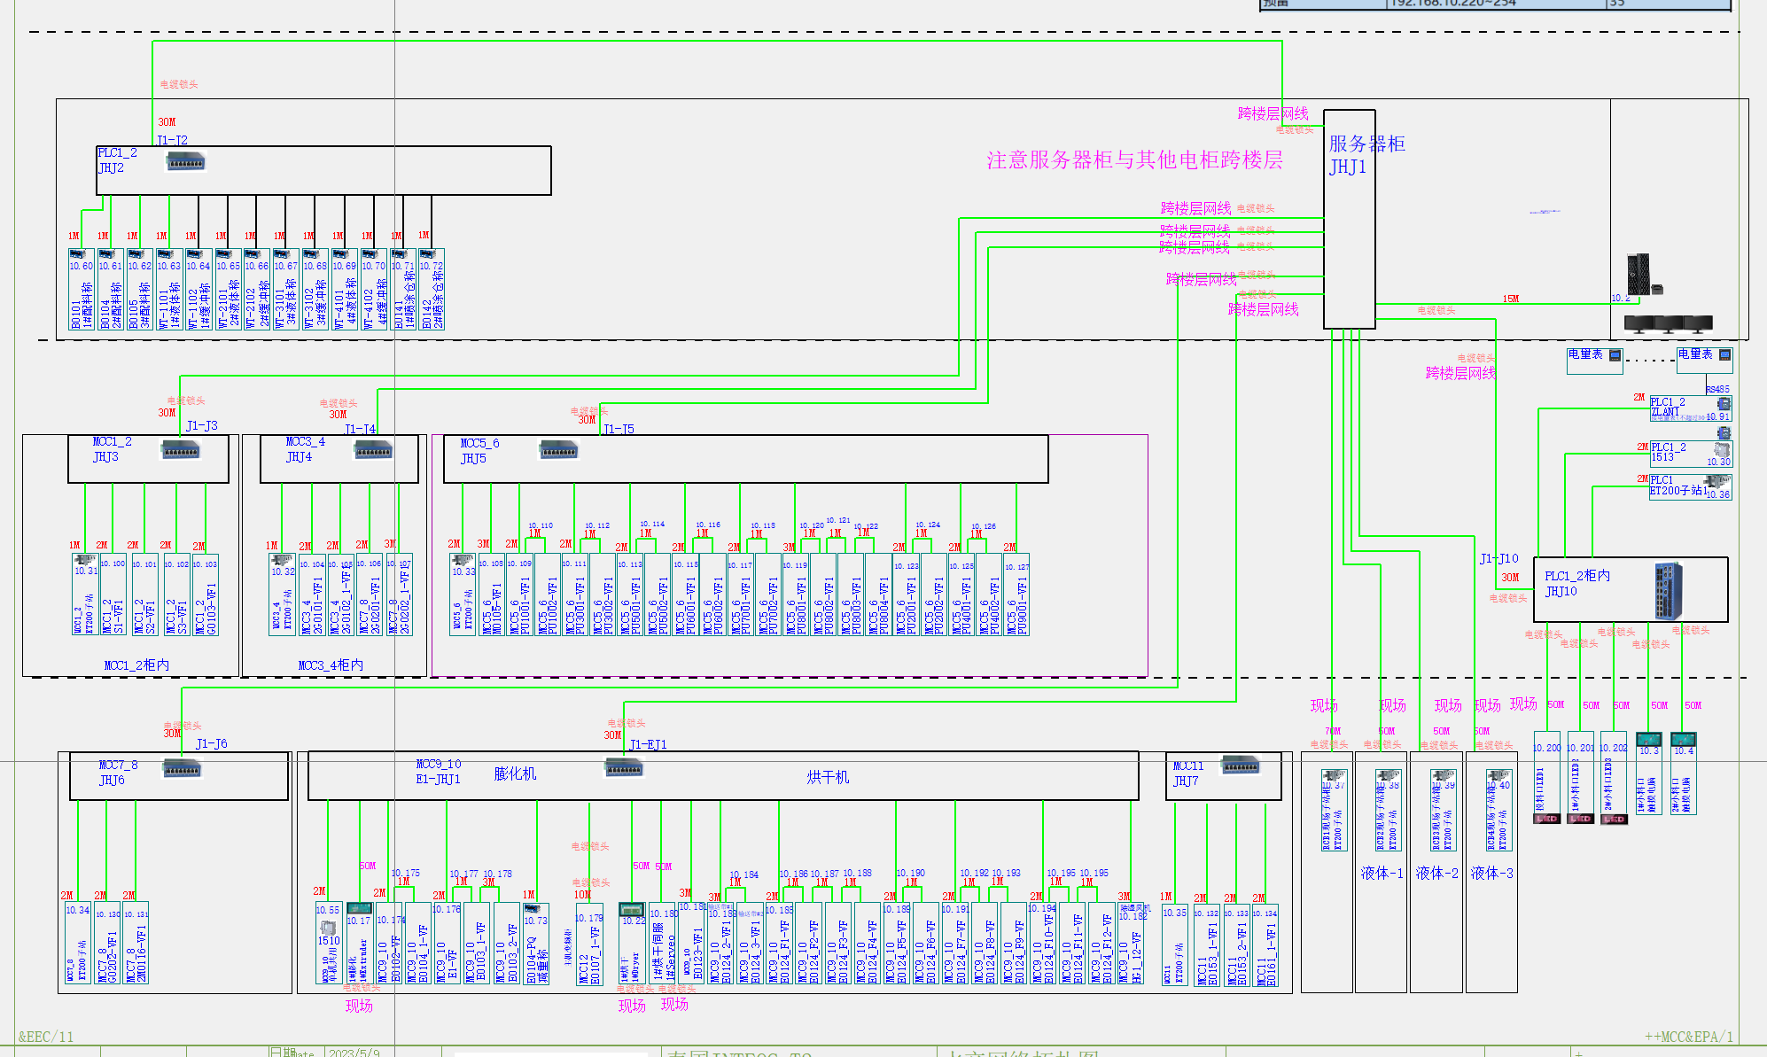
 |  | 主车间CPU
 |  | 1511-C

 | 子站1 | 1A1 | 1DI1 | 1DI2 | 1DI3 | 1DI4 | 1DI5 | 1DI6 | 1DO1 | 1DO2 | 1DO3 | 1DO4 | 1AI1 | 1AI2 | 1AI3
MCC1_2 | RI1 | PROFINET IO/V1 | 16DI 1线制 | 16DI 1线制 | 16DI 1线制 | 16DI 1线制 | 16DI 1线制 | 16DI 1线制 | 16DO 扁平电缆 | 16DO 扁平电缆 | 16DO 扁平电缆 | 16DO 扁平电缆 | 4AI 单端输入 | 4AI 单端输入 | 4AI 单端输入
 |  | 155-6AA01 | 131-16DI | 131-16DI | 131-16DI | 131-16DI | 131-16DI | 131-16DI | 132-16DO | 132-16DO | 132-16DO | 132-16DO | 134-6GD01 | 134-6GD01 | 134-6GD01

 | 子站2 | 2A1 | 2DI1 | 2DI2 | 2DI3 | 2DO1 | 2DO2 | 2AI1 | 2AI2 | 2AI3
MCC3_4 | RI2 | PROFINET IO/V1 | 16DI 1线制 | 16DI 1线制 | 16DI 1线制 | 16DO 扁平电缆 | 16DO 扁平电缆 | 4AI 单端输入 | 4AI 单端输入 | 4AI 单端输入
 |  | 155-6AA01 | 131-16DI | 131-16DI | 131-16DI | 132-16DO | 132-16DO | 134-6GD01 | 134-6GD01 | 134-6GD01

 | 子站3 | 3A1 | 3DI1 | 3DI2 | 3DI3 | 3DI4 | 3DO1 | 3DO2 | 3AI1
MCC5_6 | RI3 | PROFINET IO/V1 | 16DI 1线制 | 16DI 1线制 | 16DI 1线制 | 16DI 1线制 | 16DO 扁平电缆 | 16DO 扁平电缆 | 4AI 单端输入
 |  | 155-6AA01 | 131-16DI | 131-16DI | 131-16DI | 131-16DI | 132-16DO | 132-16DO | 134-6GD01

 | 子站 | 4A1 | 4DI1 | 4DI2 | 4DI3 | 4DI4 | 4DO1 | 4DO2 | 4DO3 | 4AI1 | 4AI2 | 4AI3
MCC7_8 | RI4 | PROFINET IO/V1 | 16DI 1线制 | 16DI 1线制 | 16DI 1线制 | 16DI 1线制 | 16DO 扁平电缆 | 16DO 扁平电缆 | 16DO 扁平电缆 | 4AI 单端输入 | 4AI 单端输入 | 4AI 单端输入
 |  | 155-6AA01 | 131-16DI | 131-16DI | 131-16DI | 131-16DI | 132-16DO | 132-16DO | 132-16DO | 134-6GD01 | 134-6GD01 | 134-6GD01

 | 子站 | 5A1 | 5DI1 | 5DI2 | 5DI3 | 5DI4 | 5DO1 | 5DO2 | 5DO3 | 5AI1
MCC11 | RI5 | PROFINET IO/V1 | 16DI 1线制 | 16DI 1线制 | 16DI 1线制 | 16DI 1线制 | 16DO 扁平电缆 | 16DO 扁平电缆 | 16DO 扁平电缆 | 4AI 单端输入
 |  | 155-6AA01 | 131-16DI | 131-16DI | 131-16DI | 131-16DI | 132-16DO | 132-16DO | 132-16DO | 134-6GD01

 | 子站 | 6A1 | 6DI1 | 6DI2 | 6DI3 | 6DI4 | 6DI5 | 6DI6 | 6DI7 | 6DI8 | 6DI9 | 6DI10 | 6DI11 | 6DI12 | 6DI13 | 6DO1 | 6DO2 | 6DO3 | 6DO4 | 6DO5 | 6DO6 | 6DO7
PLC1_2-1# | RI6 | PROFINET IO/V1 | 16DI 1线制 | 16DI 1线制 | 16DI 1线制 | 16DI 1线制 | 16DI 1线制 | 16DI 1线制 | 16DI 1线制 | 16DI 1线制 | 16DI 1线制 | 16DI 1线制 | 16DI 1线制 | 16DI 1线制 | 16DI 1线制 | 16DO 扁平电缆 | 16DO 扁平电缆 | 16DO 扁平电缆 | 16DO 扁平电缆 | 16DO 扁平电缆 | 16DO 扁平电缆 | 16DO 扁平电缆
 |  | 155-6AA01 | 131-16DI | 131-16DI | 131-16DI | 131-16DI | 131-16DI | 131-16DI | 131-16DI | 131-16DI | 131-16DI | 131-16DI | 131-16DI | 131-16DI | 131-16DI | 132-16DO | 132-16DO | 132-16DO | 132-16DO | 132-16DO | 132-16DO | 132-16DO

 | 子站 | 7A1 | 7DI1 | 7DI2 | 7DI3 | 7DI4 | 7DI5 | 7DI6 | 7DI7 | 7DO1 | 7DO2 | 7DO3 | 7DO4
RCB2 | RI7 | PROFINET IO/V1 | 16DI 1线制 | 16DI 1线制 | 16DI 1线制 | 16DI 1线制 | 16DI 1线制 | 16DI 1线制 | 16DI 1线制 | 16DO 扁平电缆 | 16DO 扁平电缆 | 16DO 扁平电缆 | 16DO 扁平电缆
 |  | 155-6AA01 | 131-16DI | 131-16DI | 131-16DI | 131-16DI | 131-16DI | 131-16DI | 131-16DI | 132-16DO | 132-16DO | 132-16DO | 132-16DO

 | 子站 | 8A1 | 8DI1 | 8DI2 | 7DI3 | 7DI4 | 8DO1 | 8DO2 | 8AI1 | 8AI2 | 8AI3 | 8AI4 | 8AI5 | 8AI6 | 8AI7 | 8AI8 | 8AI9 | 8AO1 | 8AO2 | 8AO3 | 8AO4 | 8AO5
RCB3 | RI8 | PROFINET IO/V1 | 16DI 1线制 | 16DI 1线制 | 16DI 1线制 | 16DI 1线制 | 16DO 扁平电缆 | 16DO 扁平电缆 | 4AI 单端输入 | 4AI 单端输入 | 4AI 单端输入 | 4AI 单端输入 | 4AI 单端输入 | 4AI 单端输入 | 4AI 单端输入 | 4AI 单端输入 | 4AI 单端输入 | 4AO 单端输出 | 4AO 单端输出 | 4AO 单端输出 | 4AO 单端输出 | 4AO 单端输出
 |  | 155-6AA01 | 131-16DI | 131-16DI | 131-16DI | 131-16DI | 132-16DO | 132-16DO | 134-6GD01 | 134-6GD01 | 134-6GD01 | 134-6GD01 | 134-6GD01 | 134-6GD01 | 134-6GD01 | 134-6GD01 | 134-6GD01 | 135-6HD00 | 135-6HD00 | 135-6HD00 | 135-6HD00 | 135-6HD00

 | 子站 | 9A1 | 9DI1 | 9DI2 | 9DI3 | 9DI4 | 9DI5 | 9DO1
RCB1 | RI9 | PROFINET IO/V1 | 16DI 1线制 | 16DI 1线制 | 16DI 1线制 | 16DI 1线制 | 16DI 1线制 | 16DO 扁平电缆 | 终端挡块
 |  | 155-6AA01 | 131-16DI | 131-16DI | 131-16DI | 131-16DI | 131-16DI | 132-16DO

 |  | 单机共用CPU
 |  | 1510

 | 子站 | E1A1 | E1DI1 | E1DI2 | E1DI3 | E1DI4 | E1DI5 | E1DO1 | E1DO2 | E1DO3 | EAI1 | EAI2 | EAI3 | EAI4 | EAI5 | EAI6 | EAI7 | EAO1 | EAO2 | EAO3
MCC9_10 | ERI1 | PROFINET IO/V1 | 16DI 1线制 | 16DI 1线制 | 16DI 1线制 | 16DI 1线制 | 16DI 1线制 | 16DO 扁平电缆 | 16DO 扁平电缆 | 16DO 扁平电缆 | 4AI 单端输入 | 4AI 单端输入 | 4AI 单端输入 | 4AI 单端输入 | 4AI 单端输入 | 4AI 单端输入 | 4AI 单端输入 | 4AO 单端输出 | 4AO 单端输出 | 4AO 单端输出
 |  | 1510 | 131-16DI | 131-16DI | 131-16DI | 131-16DI | 131-16DI | 132-16DO | 132-16DO | 132-16DO | 134-6GD01 | 134-6GD01 | 134-6GD01 | 134-6GD01 | 134-6GD01 | 134-6JD00 | 134-6JD00 | 135-6HD00 | 135-6HD00 | 135-6HD00

